Sheet1
A TO K

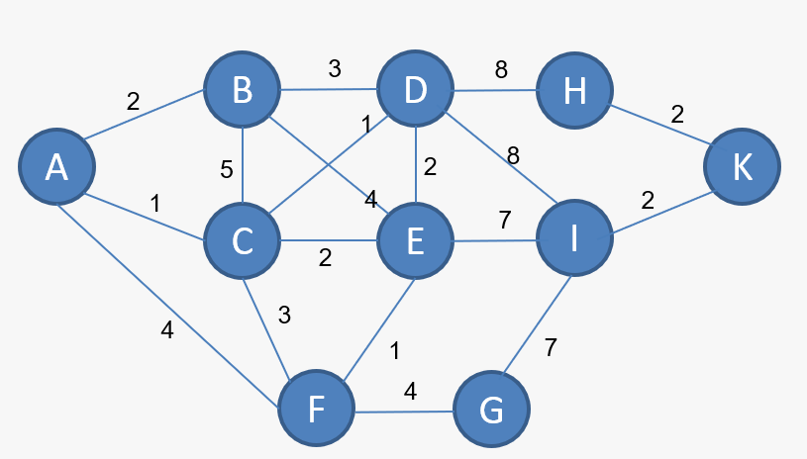
MARK | A | B | C | D | E | F | G | H | I | K
A | 0 | 2A | 1C | ~ | ~ | 4A | ~ | ~ | ~ | ~
C | 0 | MIN(2A, 1C + 5C) 2A | 1 | 1A + 1C 2C | 1A + 2C 3C | 1A + 3C 4C | ~ | ~ | ~ | ~
B | 0 | 2 | 1 | MIN(2C, 2A + 3B) 2C | MIN(3C, 2A + 4B) 3C | 4C | ~ | ~ | ~ | ~
D | 0 | 2 | 1 | 2 | MIN(3C, 2C + 2D) 3C | 4C | ~ | 2C + 8D 10D | 2C + 8D 10D | ~
E | 0 | 2 | 1 | 2 | 3 | MIN(4C, 3C + 1E) 4C | ~ | 10D | MIN(10D, 3C + 7E) 10D | ~
F | 0 | 2 | 1 | 2 | 3 | 4 | 4C + 4F 8F | 10D | 10D | ~
G | 0 | 2 | 1 | 2 | 3 | 4 | 8 | 10D | MIN(10D, 8F + 7G) 10D | ~
H | 0 | 2 | 1 | 2 | 3 | 4 | 8 | 10 | 10D | 10D + 2H 12H
I | 0 | 2 | 1 | 2 | 3 | 4 | 8 | 10 | 10 | MIN(12H, 10D + 2I) 12H
K | 0 | 2 | 1 | 2 | 3 | 4 | 8 | 10 | 10 | 12

RESULT : | K - H - D - C - A | = | A - C - D - H - K

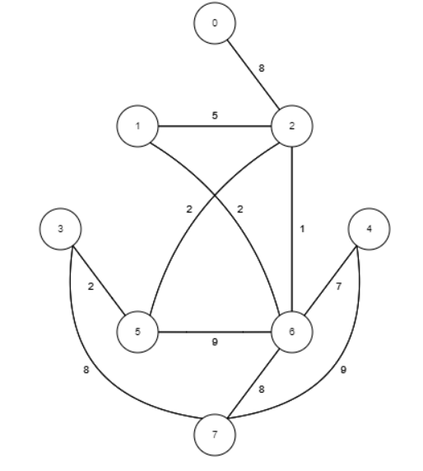
A
MARK | A | B | C | D | E | F | G | H
A | 0 | ~ | 8A | ~ | ~ | ~ | ~ | ~
C | 0 | 8A + 5C = 13C | 8 | ~ | ~ | 8A + 2C = 10C | 8A + 1C = 9C | ~
G | 0 | MIN(13C, 9C + 2G) = 11G | 8 | ~ | 9C + 7G = 16G | MIN(10C, 9C + 9G) = 10C | 9 | 9C + 8G = 17G
F | 0 | 11G | 8 | 10C + 2F = 12F | 16G | 10 | 9 | 17G
B
c
B | 0 | 11 | 8 | 12F | 16G | 10 | 9 | 17G
D | 0 | 11 | 8 | 12 | 16G | 10 | 9 | 17G
E | 0 | 11 | 8 | 12 | 16 | 10 | 9 | MIN(17G, 16G + 9H) = 17G
H | 0 | 11 | 8 | 12 | 16 | 10 | 9 | 17

D
E
RESULT : | H - G - C - A | = | A - C - G - H |  | 0 - 2 - 6 - 7

F
G

H

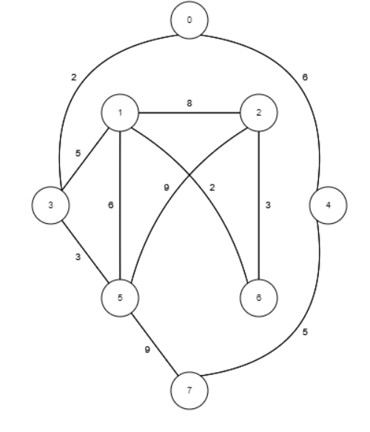
A
MARK | A | B | C | D | E | F | G | H
A | 0 | ~ | ~ | 2A | 6A | ~ | ~ | ~
D | 0 | 2A + 5D = 7D | ~ | 2 | 6A | 2A + 3D = 5D | ~ | ~
F | 0 | MIN(7D, 5D + 6F) = 7D | 5D + 9F = 14F | 2 | 6A | 5 | ~ | 5D + 9F = 14F
B
C
E | 0 | 7D | 14F | 2 | 6 | 5 | ~ | MIN(14F, 6E + 5E) = 11E
B | 0 | 7 | MIN(14F, 7D + 8B) = 14F | 2 | 6 | 5 | 7D + 2B = 9B | 11E
G | 0 | 7 | MIN(14F, 9B + 3G) = 12G | 2 | 6 | 5 | 9 | 11E
H | 0 | 7 | 12G | 2 | 6 | 5 | 9 | 11
C | 0 | 7 | 12 | 2 | 6 | 5 | 9 | 11
D
E
RESULT : |  | H - E - A | = | A - E - H | 0 - 4 - 7

F
G

H

